data to plot
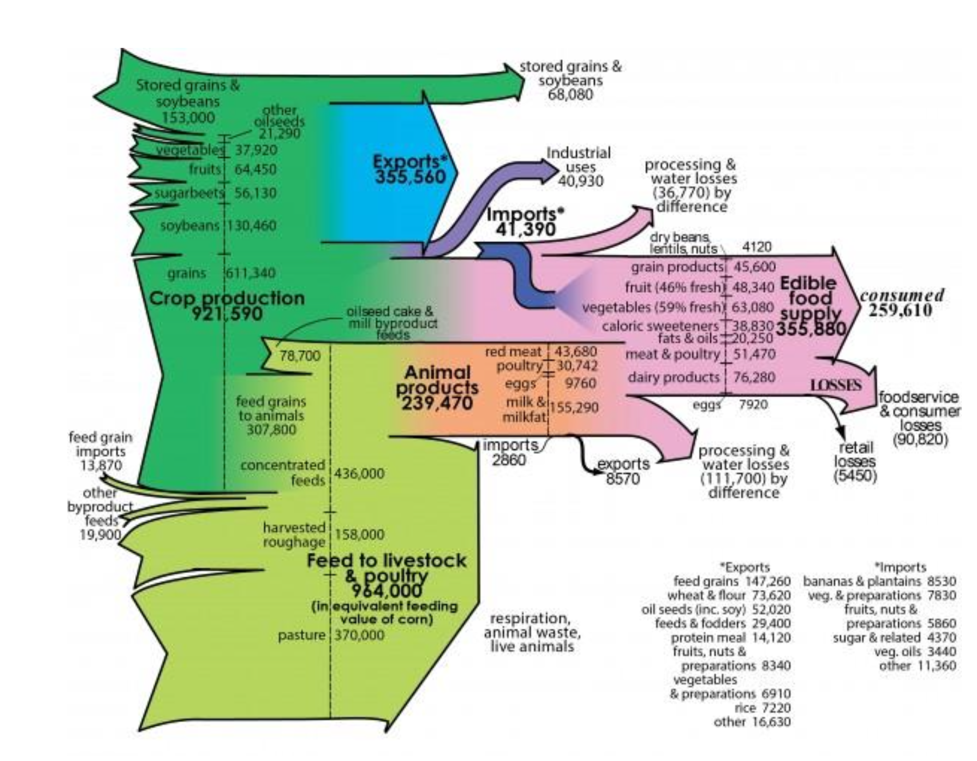
x | next_x | node | next_node | value

